Part 1
Part 1: Create the Sales table

Import SalesEW and SalesCS

E1.1 | ★★☆☆☆

In the "data" folder, locate the Excel workbook "sales_all_regions.xlsx".

The workbook contains two tables: tblSalesEastWest and tblSalesCentralSouth. Import both tables. Name them "SalesEW" and "SalesCS".

Q1.2 | ★☆☆☆☆

How many rows are in SalesEW? How many rows are in SalesCS?

Hint 1

Hint 2

Hint 3

SalesEW: number of rows

SalesCS: number of rows

Remove blank rows

Q1.3 | ★★☆☆☆

Remove the blank rows from SalesEW. How many rows were removed?

Remove the blank rows from SalesCS. How many rows were removed?

Note: null counts as blank.

Hint 1

Hint 2

Hint 3

SalesEW: number of blank rows removed

SalesCS: number of blank rows removed

Append

E1.4 | ★★☆☆☆

Next, we need to append SalesCS to SalesEW. This means that we add the rows of SalesCS to the bottom of SalesEW. An example of an append operation is shown below.

Store the output of the append operation as a new table. Name this table Sales.

Hint 1

Hint 2

Example: append FemaleNames to MaleNames.

Unmatched columns get padded with empty/null cells.
Column names must match.

DogNames |  |  | CatNames |  |  | AllNames
Name | Age | Weight | Age | Name | Height | Name | Age | Weight | Height
Aaron | 62 | 89 | 45 | Diane | 155 | Aaron | 62 | 89 | null
Bob | 25 | 74 | 37 | Emma | 168 | Bob | 25 | 74 | null
Carlos | 30 | 84 | 19 | Fiona | 165 | Carlos | 30 | 84 | null
 |  |  |  |  |  | Diane | 45 | null | 155
 |  |  |  |  |  | Emma | 37 | null | 168
 |  |  |  |  |  | Fiona | 19 | null | 165

Q1.5 | ★☆☆☆☆

Which column of SalesCS does not match with any column of SalesEW?

If your Sales table contains this column, delete it.

Hint 1

Unmatched column name

E1.6 | ★☆☆☆☆

Verify that Sales contains 7 columns and 1,898 rows, and that all columns were appended in the correct positions.

Save

E1.7 | ★☆☆☆☆

In your project directory, create a folder called "output". Save the Sales table in CSV format: <project dir>/output/sales.csv

Hint 1

◀ Intro |  |  | Part 2 ▶

Part 4
Part 4: Clean the Product table

Import Product

E4.1 | ★☆☆☆☆

In the "data" folder, locate the CSV file "product.csv".

Import this file. Name the table "Product".

Hint

Fix numeric types

E4.2 | ★★★☆☆

The [SalePrice] and [CostPrice] columns need to be converted to a numeric type. (If you are using Power Query, Currency is a suitable type.) Perform this conversion.

If this conversion resulted in an error, explain what the problem was. Fix the problem.

Hint

Problem (if any) and solution

Create [Markup] column

E4.3 | ★★★☆☆

Create a new column, [Markup], calculated as [SalePrice] – [CostPrice].

Round this column to 2 decimal places to eliminate minor rounding errors. Convert this column to an appropriate type.

Hint 1

Hint 2

A note on rounding errors

Small rounding errors often occur when performing mathematical operations between floating-point numbers.

We have seen this with the [Markup] column.

Before rounding |  |  |  | After rounding
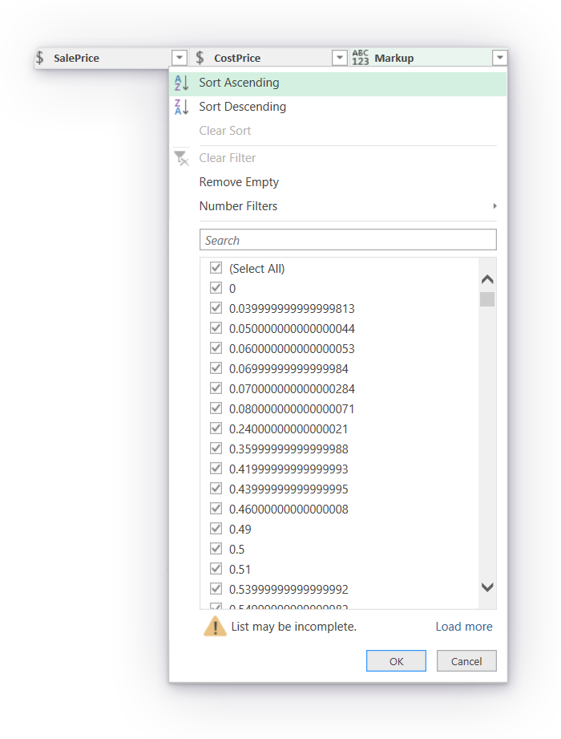


Even simple arithmetic with an obvious exact solution can produce a rounding error when calculated by a computer.

For example, according to Excel, the calculation 10.2 – 10.1 does not yield 0.1, but 0.0999999999999996.

10.2
10.1
0.0999999999999996 |  | =B104 - B105

This type of rounding error occurs because a computer can store a floating-point number to only a finite degree of precision. Excel uses 64-bit floating-point numbers, which results in 15 decimal digits. If a floating-point number cannot be represented exactly using 64 bits, Excel rounds that number off.

A number such as 1/3 cannot be represented exactly using 64 bits. In decimal, 1/3 = 0.3333333333…, and in binary it is 0.0101010101…2. Both representations would require infinite bits to represent exactly. But what about 10.2 and 10.1? It turns out that the number 0.1 actually requires infinite bits to represent in binary: 0.0001100110011001100...2. So do 0.2, 0.3, and 0.4. However, the number 0.5 can be represented exactly (0.12). Perhaps you can guess why.

Some rounding errors are so small that they fail to shift the 15th decimal digit. See 0.49, 0.5 and 0.51 in the "Before rounding" screenshot, or try 0.2 – 0.1 in Excel. More typically, you may see a shift in the 15th, 14th, and sometimes 13th digits.

Why does this matter? Because even tiny rounding errors can cause unexpected behaviour. For example, if your end-point assessor asked you to filter Product by [Markup] ≤ 0.5, this filter would actually omit the third value of 0.500000000000004, since it is not technically less than or equal to 0.5 anymore due to rounding errors. This is not what we wanted!

⚠️ Remember to look out for rounding errors. Handle them by rounding or by building in a tolerance threshold.

From now on, you should fix all rounding errors as they occur.

Further information:
https://en.wikipedia.org/wiki/Floating-point_arithmetic

Create [MarkupPercent] column

E4.4 | ★★★☆☆

Create a new column, [MarkupPercent], which expresses [Markup] as a fraction of [CostPrice].
• A [MarkupPercent] of 0 (or 0%) means that [SalePrice] is equal to [CostPrice].
• A [MarkupPercent] of 1 (or 100%) means that [SalePrice] is double [CostPrice].

Convert [MarkupPercent] to a suitable numeric type. It is not necessary to round this column.

Hint 1

◀ Part 3 |  |  | Part 5 ▶

Challenge 1
Challenge 1

Navigating subsets

QC1.1 † | ★★★★★

All [Region]s
[Region], R, with the second highest number of [State]s
[Category], C, with the lowest sum of [Sales] within R
Product with highest [UnitFullSalePrice] within C within R
Find the product with the highest [UnitFullSalePrice] within the [Category] with the lowest sum of [Sales] within the [Region] with the second highest number of [State]s.

Don't worry.

We will solve this step by step. First, find the [Region] with the second highest number of [State]s. Then, filtering to this [Region], find the [Category] with the lowest sum of [Sales]. And so on. Use the result of the previous calculation as input to the next.

[Region] with the second highest number of [State]s

[Category] with the lowest sum of [Sales] within the [Region] with the second highest number of [State]s

Product with the highest [UnitFullSalePrice] within the [Category] with the lowest sum of [Sales] within the [Region] with the second highest number of [State]s

[ProductID] |  | [UnitFullSalePrice]

